Read
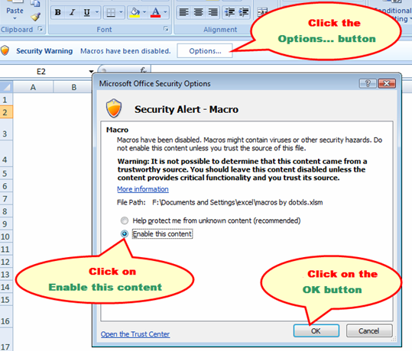
Please join us to save enviroment by following the below steps
Main Menu
 | 1 | To enable macros please follow the steps shown in screenshot below
 | 2 | By enabling macros, blank cells will be suppress in IT proofs submission page
 | 3 | Once final values are entered in IT submission proofs page, click on "Save Me!" or "USE LESS PAPER" button before taking the print.

 | If Excel 2010 and higher version
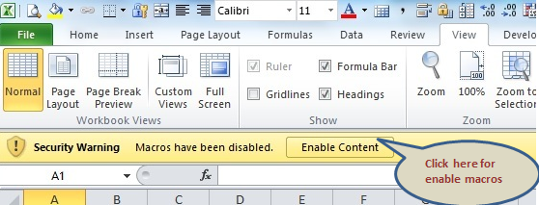

After enabling macros Click here to navigate to declaration and guidelines pages

 | If excel version 2007 and lower version

